Лист1
Time | Measurement | Label | Grid | Region | Value | limited to 1000 users (free acc)
3/27/18 | transaction_rate | __all | scenic-siren | eu-central-1 | 118
3/27/18 | transaction_rate | __all | scenic-siren | eu-central-1 | 601
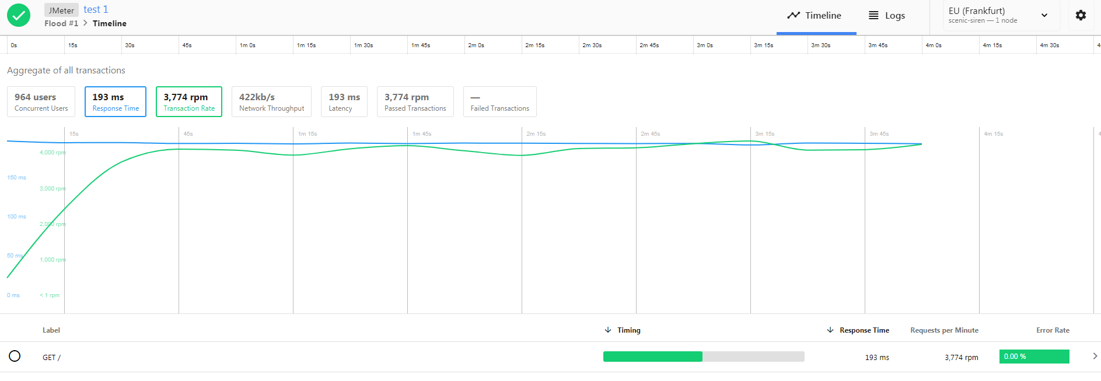
3/27/18 | transaction_rate | __all | scenic-siren | eu-central-1 | 933
3/27/18 | transaction_rate | __all | scenic-siren | eu-central-1 | 1024
3/27/18 | transaction_rate | __all | scenic-siren | eu-central-1 | 1016
3/27/18 | transaction_rate | __all | scenic-siren | eu-central-1 | 982
3/27/18 | transaction_rate | __all | scenic-siren | eu-central-1 | 1026
3/27/18 | transaction_rate | __all | scenic-siren | eu-central-1 | 1048
3/27/18 | transaction_rate | __all | scenic-siren | eu-central-1 | 1012
3/27/18 | transaction_rate | __all | scenic-siren | eu-central-1 | 980
3/27/18 | transaction_rate | __all | scenic-siren | eu-central-1 | 1028
3/27/18 | transaction_rate | __all | scenic-siren | eu-central-1 | 1033
3/27/18 | transaction_rate | __all | scenic-siren | eu-central-1 | 1062
3/27/18 | transaction_rate | __all | scenic-siren | eu-central-1 | 1081
3/27/18 | transaction_rate | __all | scenic-siren | eu-central-1 | 1017
3/27/18 | transaction_rate | __all | scenic-siren | eu-central-1 | 1020
3/27/18 | transaction_rate | __all | scenic-siren | eu-central-1 | 1057
3/27/18 | transaction_rate | __all | scenic-siren | eu-central-1 | 1038
3/27/18 | transaction_rate | __all | scenic-siren | eu-central-1 | 1003
3/27/18 | transaction_rate | __all | scenic-siren | eu-central-1 | 1023

